Meta
SPECIES: Heteropogon contortus |  | North | Central | South | IMPACT | DISTRIBUTION | POTENTIAL | MANAGEMENT | IFAS Assessment | TNIPC
COMMON NAME: Tanglehead, black spear grass | IMPACTS | L | M | M | H | H | H | H | Invasive, not recommended | Established
VOUTURE SPECIMENS HELD: | DISTRIBUTION | L | H | H | H | H | H | L | Invasive, not recommended | Established
ASSESSOR: | POTENTIAL | M | M | M | H | H | M | H | Invasive, not recommended | Established
ASSESSMENT DATE: | MANAGEMENT | L | L | L | H | H | M | L | Invasive, not recommended | Established
EARLIEST RECORD: | FINAL CONCLUSION |  |  |  | H | H | L | H | Invasive, not recommended | Established
 |  |  |  |  | H | H | L | L | Invasive, not recommended | Established
INITIAL QUESTIONS: |  |  |  |  | H | L | H | H | Invasive, not recommended | Established
1. Does this species appear on Florida noxious weed or prohibited plant lists? |  |  |  |  | H | L | H | L | Invasive, not recommended | Established
2. State Distribution (see state regions map below) |  |  |  |  | H | L | M | H | Invasive, not recommended | Established
a. Plant is reported outside of cultivation | North | Central | South |  | H | L | M | L | Invasive, not recommended | Established
b. Plant is reported in conservation or other natural areas | North | Central | South |  | H | L | L | H | Invasive, not recommended | Established
c. Plant is not reported outside cultivation in FLORIDA. STOP. Enter ‘not applicable’ in the notes section below. (Predictive Tool recommended) |  |  |  |  | H | L | L | L | Invasive, not recommended | Established
 |  |  |  |  | M | H | H | H | Invasive, not recommended | Established
NOTES: Synonyms: Andropogon allionii, Andropogon bellardii, Andropogon besukiensis, Andropogon contortus, Andropogon contortus subvar. hispidissimus, Andropogon contortus subvar. roxburghii, Andropogon contortus subvar. secundus, Andropogon contortus subvar. typicus |  |  |  |  | M | H | H | L | Invasive, not recommended | Established
 |  |  |  |  | M | H | M | H | Invasive, not recommended | Established
 |  |  |  |  | M | H | M | L | Invasive, not recommended | Established
 |  |  |  |  | M | H | L | H | Invasive, not recommended | Established
Tool developed by D. Lieurance, N. Loewenstein, and the SE-IPC Working Group |  |  |  |  | M | H | L | L | Invasive, not recommended | Established
 |  |  |  |  | M | L | H | H | Invasive, not recommended | Established
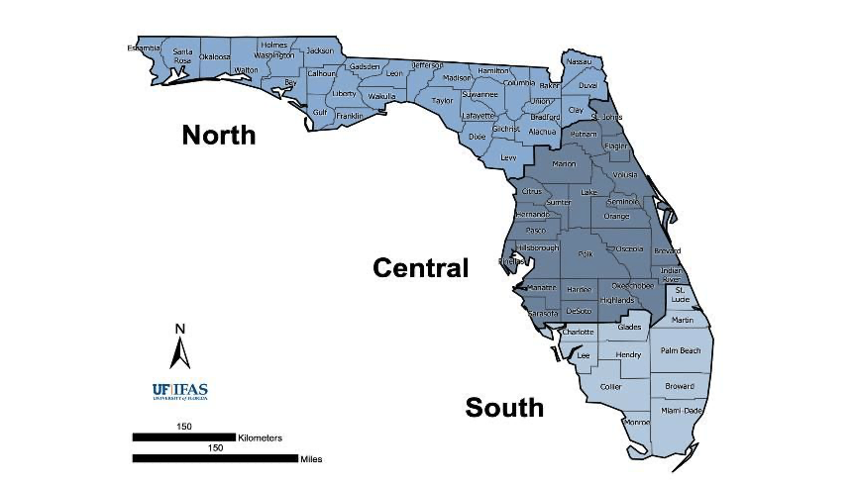
 |  |  |  |  | M | L | H | L | Invasive, not recommended | Established
 |  |  |  |  | M | L | M | H | Invasive, not recommended | Established
 |  |  |  |  | M | L | M | L | Invasive, not recommended | Established
 |  |  |  |  | M | L | L | H | Invasive, not recommended | Established
 |  |  |  |  | M | L | L | L | Invasive, not recommended | Established
 |  |  |  |  | L | H | H | H | Caution, manage to prevent escape | Caution
 |  |  |  |  | L | H | H | L | Caution, manage to prevent escape | Caution
 |  |  |  |  | L | H | M | H | Caution, manage to prevent escape | Caution
 |  |  |  |  | L | H | M | L | Caution, manage to prevent escape | Caution
 |  |  |  |  | L | H | L | H | Caution, manage to prevent escape | Caution
 |  |  |  |  | L | H | L | L | Caution, manage to prevent escape | Caution
 |  |  |  |  | L | L | H | H | OK to recommend | Watch/Recommend Risk Assessment
 |  |  |  |  | L | L | M | H | OK to recommend | Watch/Recommend Risk Assessment
 |  |  |  |  | L | L | H | L | OK to recommend | Watch/Recommend Risk Assessment
 |  |  |  |  | L | L | M | L | OK to recommend | Watch/Recommend Risk Assessment
 |  |  |  |  | L | L | L | H | OK to recommend | OK
 |  |  |  |  | L | L | L | L | OK to recommend | OK

